Trainning Attendance
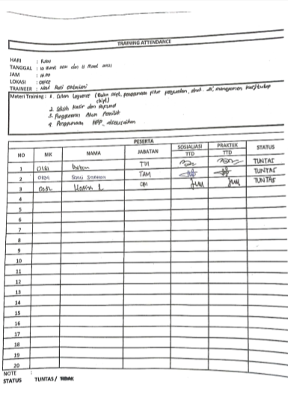
TRAINNING ATTENDANCE

SOP Manajemen Shift
SOP Manajemen Shift (Cash Balance)
Link :
https://docs.google.com/document/d/1a7StPpjG6FwRolTarFxdz21kLySbG-Ap/edit

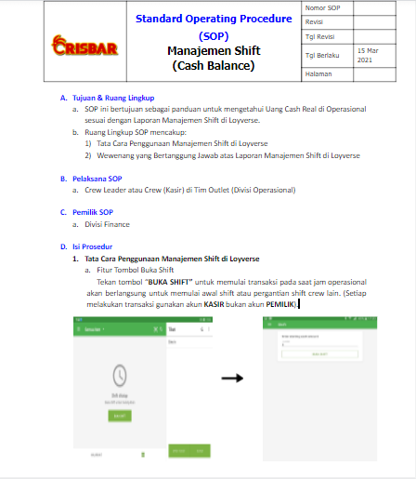
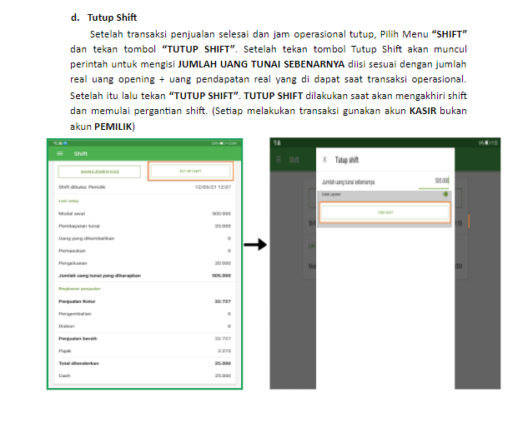
1 | 3

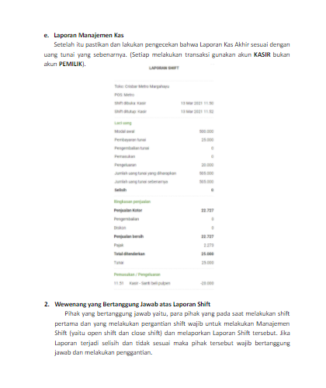
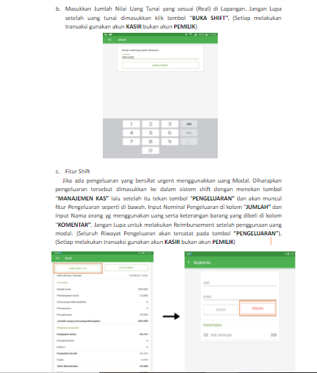
2 | 4

Bukti Pengecekan Manajemen Shif
PENGECEKAN MANAJEMEN SHIFT (CASH BALANCE)

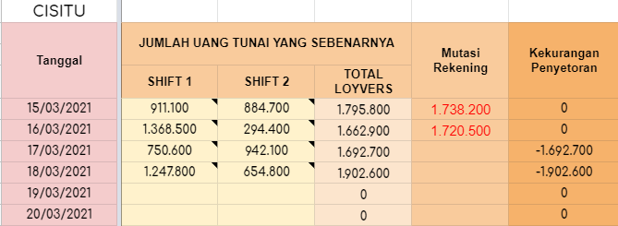
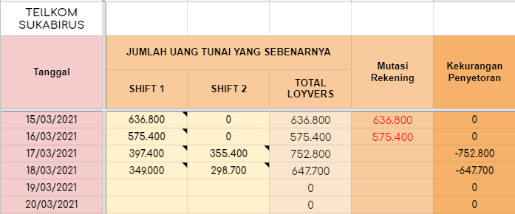

CISITU | SUKABIRUS
https://docs.google.com/spreadsheets/d/1PZVwREq6VN3gNm7BJrZDdRVl-USecbL0IlAU3eqdDIs/edit#gid=2122967020 | https://docs.google.com/spreadsheets/d/1dsrJ5VlAbsHAY7AI11M06fqNhfRtTsD74zu_sQO6-cU/edit#gid=1052272521

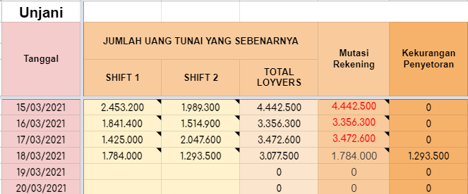
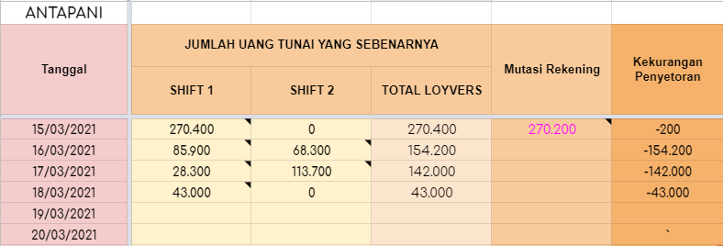

UNJANI | ANTAPANI
https://docs.google.com/spreadsheets/d/1Q0MFLrDbBbOXV4PHrZdDNmTIJ7iaSqBQ44F9KJAx6y8/edit#gid=21610989 | https://docs.google.com/spreadsheets/d/1UdM8qUgG1UZ-XX8l_TeArdtbONeeGIWDb6NnEu1DgKc/edit#gid=611612428

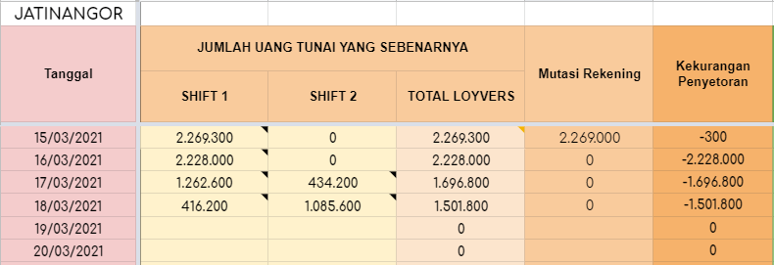
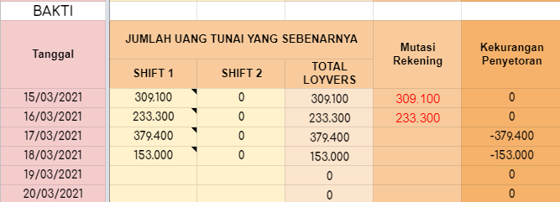

JATINANGOR | BAKTI
https://docs.google.com/spreadsheets/d/1UdM8qUgG1UZ-XX8l_TeArdtbONeeGIWDb6NnEu1DgKc/edit#gid=611612428 | https://docs.google.com/spreadsheets/d/1PZVwREq6VN3gNm7BJrZDdRVl-USecbL0IlAU3eqdDIs/edit#gid=2122967020

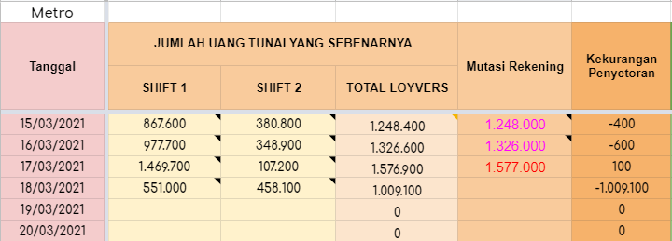
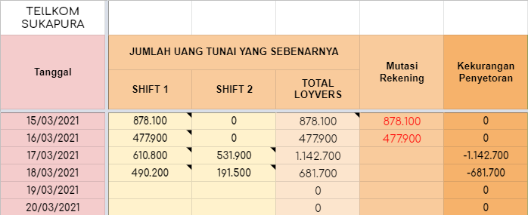

SUKAPURA | METRO
https://docs.google.com/spreadsheets/d/1dsrJ5VlAbsHAY7AI11M06fqNhfRtTsD74zu_sQO6-cU/edit#gid=1052272521 | https://docs.google.com/spreadsheets/d/1AtWiTHFTyVV6eMCuUCrFcGu1bjlGbBuFW4RyBF62tO8/edit#gid=2032254806

